Sheet1
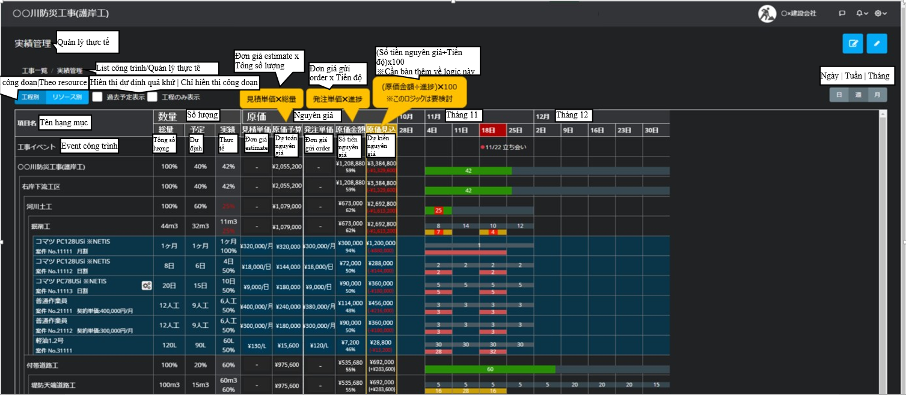

2
1
3
4
5
icon2

2.1
2.2
2.3
3.1
3.2
3.3
3.4
3.5
4.1

4.2

4.3

4.4
icon1
4.5

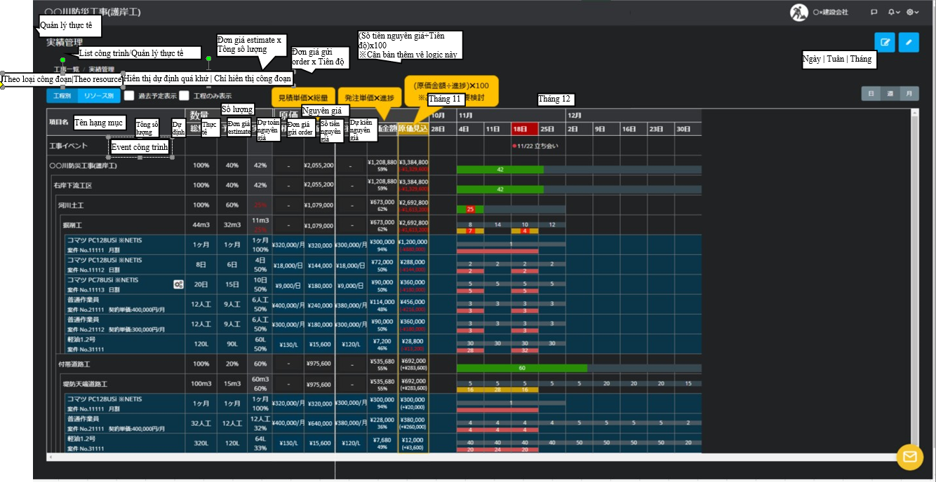
Header
10
11

1
2
5
6
7
8
9

3
4
12
13
14
List
13.1
13.2
13.3
14.1
14.2
14.3
14.4
14.5
List schedule

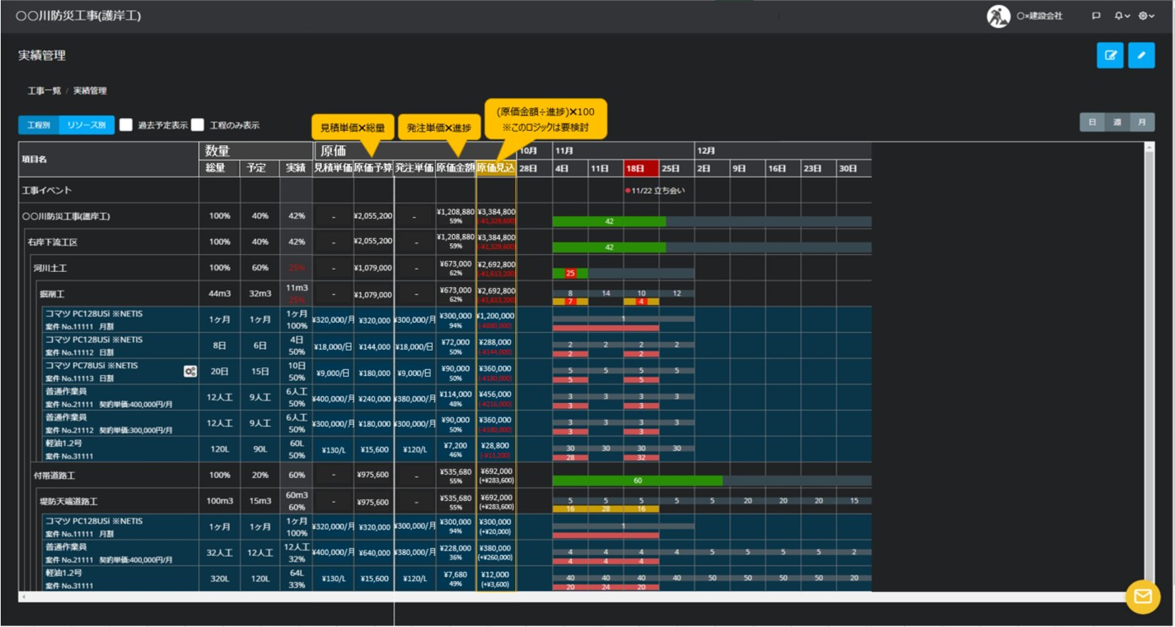
Header

1
2
10
11

3
4
7
8
9
5
6

13
14
12
15.List schedule
List

13.1
13.2
13.3
14.1
14.2
14.3
14.4
14.5

16
17
18

